Sheet1
No of Rooms | 100
Cost of rent | 150 | per night | a) | 106 reservations must be accepted to maximize the profit
Operation cost | 30 | per night
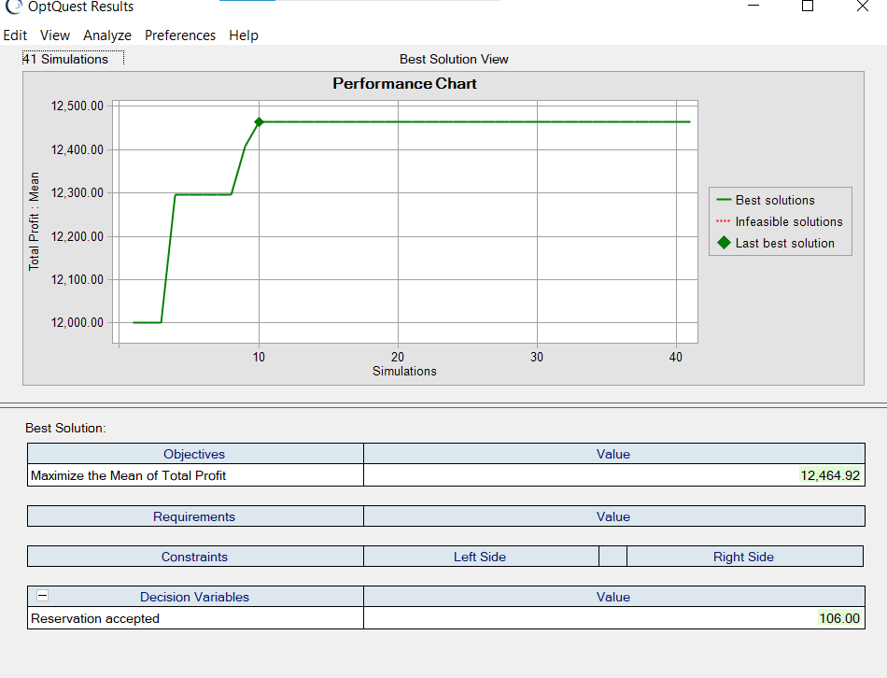
chance of not arriving duest | 5%
Over booked Compenstation | 200
Reservation accepted | 107

no of booking | 107
People come to hotel | 0

Booking cost | 16050
Total operation cost | 3210
Compensation | 0

Total Profit | 12840

